Instructions
Phased Retirement Salary and Benefit Cost Calculation - Introduction | Three-Year Phased Retirement Program Notice of Intention | Phased Retirement Allowance calculation spreadsheet from Pension Services

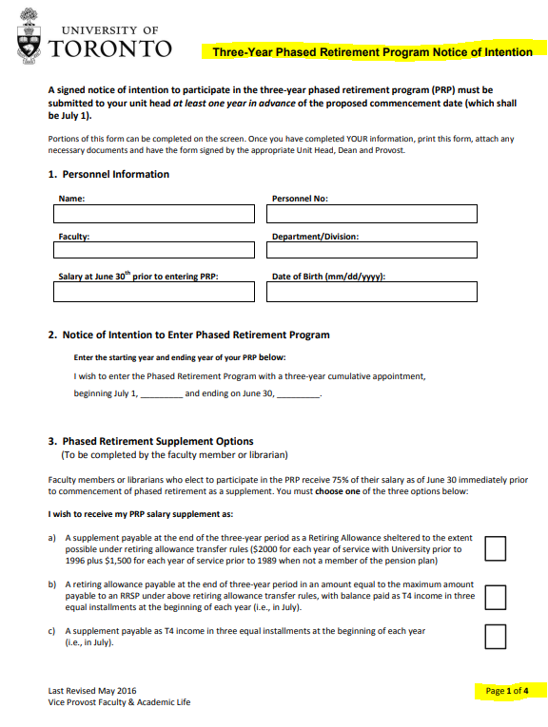
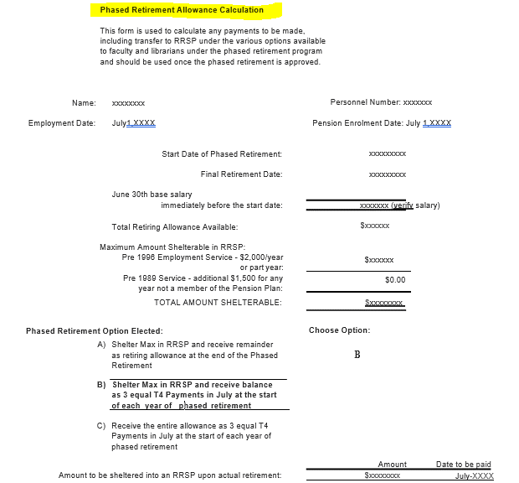
The Three-Year Phased Retirement Program Notice of Intention form along with the Phased Retirement Allowance calculation spreadsheet from Pension Services (expected that the Department has a copy), contains much of the necessary information to complete the 'Calculation' tab.

The department will continue to be funded for the faculty member at 100% of salary during the four fiscal year period of the Phased Retirement even though the faculty member will be paid at a reduced percentage.
The difference between the funding and the expense is used to make the payments for the July 1 installments and/or the lump sum payment at the end of the phased retirement period. Any funds that remain are used towards Stipend and Sessional Lecturer funding requests.
When a faculty member's application for Phased Retirement has been approved a detailed schedule for the payout, based on the selection the faculty member made, will be forwarded to HR for processing in HRIS.

Option a)
This is the most difficult to plan for as the supplement is not paid until June 30 the year the faculty member retires. The department must ensure savings in year 1, 2 & 3 cover the cost in year 4.
The department has received 100% of the faculty member's salary but paid out only the percentage approved.
For each year of the phased retirement a manual reserve in the amount indicated in the "Phased Retirement Allowance Calculation" should be set up.

Option b)
Because of the Shelterable RRSP that is paid out June 30 the year the faculty member retires a reserve of this payout will need to be set up in the same manner as indicated in Option "A" to make sure the funds are available when paid.
The 3 equal installments that are paid in addition to the Sheltered RRSP are done in the July pay of each year of the phased retirement, no additional planning for these funds should be required.

Option c)
There are 3 equal installments paid in July of each year of the phased retirement plan, no future payouts need to be planned for.

